Aula
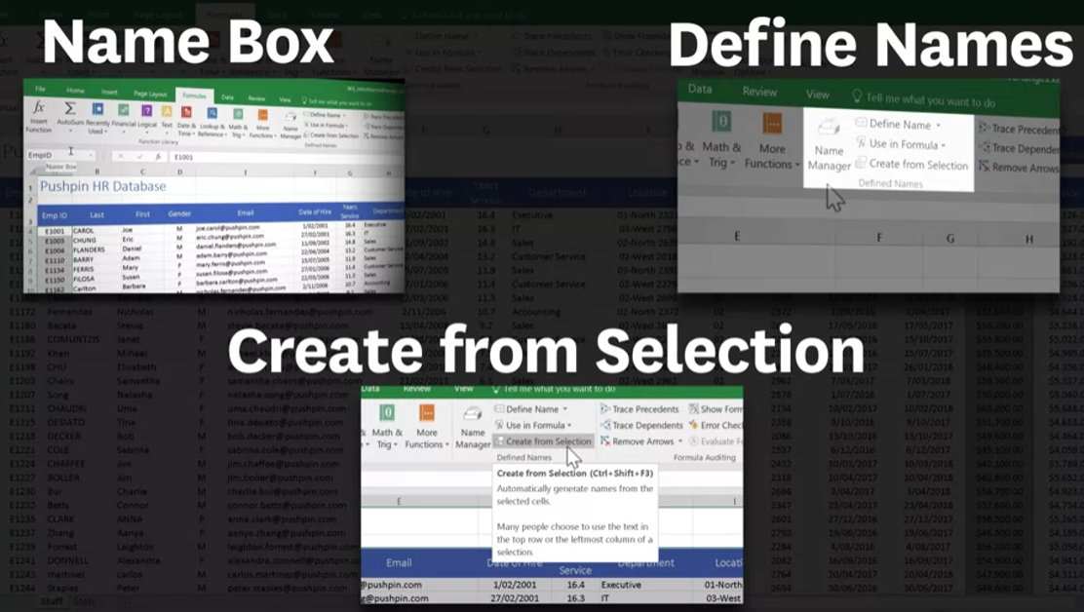
OBS INICIAL: Para criar os intervalos, os TÍTULOS não são considerados dados. Não os íncluem.

Há 3 opções de criar intervalos nomeados

>> 1ª OPÇÃO
Desejo nomear o intervalo da coluna A
Seleciono os itens e renomeio
Ao invés de A4 renomeei como ''Emp_ID''

>> 2ª OPÇÃO
Em FÓRMULAS essas são as ferramentas para trabalhar com intervalos nomeados

Em DEFINIR NOME, utilizando os dados da coluna O, clicamos em O4 selecionando toda a coluna e defino-o como ''Pension''
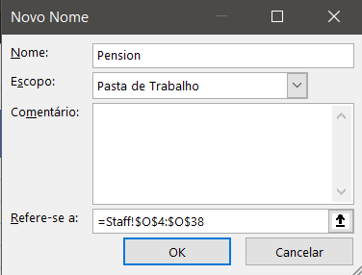

>> 3ª OPÇÃO
Criando intervalos simultaneamente
Nesta, os títulos são incluídos. Seleciona todos os títulos e Crtl + shift + seta para baixo

 | Atalho que aparece:

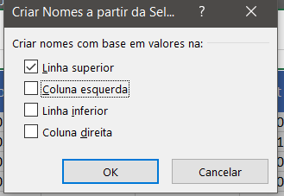

Verificando, estão todos os intervalos nomeados:

Em resumo, as 3 formas são:

